Weekly Average
Team Name + Nickname |  |  | Average from: |  | 2020-06-15 |  | - |  | 2020-06-16

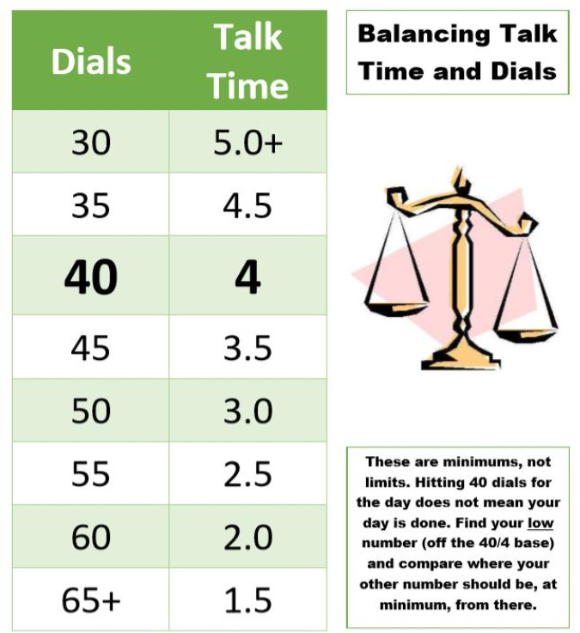
 |  |  | On-Queue | Inbound | Dials |  |  | Hours |  |  | Lives Changed
 | Days Worked: | Enrollment Counselor: |  |  |  | Needed Based on Hours |  |  | Needed Based on Dials | Weekly Dials & Hours % To Goal | Per Day | Week to date | Goal:
 | 6.00 | EC 1 | 5:17:09 | 6.7 | 42 | 40 |  | 3:57:11 | 3:51:00 | 103% | 2.0 | 12 |  | > | 130%
 | 5.00 | EC 2 | 5:29:08 | 5.0 | 32 | 48 |  | 3:10:25 | 4:45:36 | 67% | 2.0 | 10 |  | >= | 100%
 | 4.00 | EC 3 | 5:01:40 | 6.5 | 51 | 52 |  | 2:48:54 | 2:55:30 | 97% | 1.8 | 7 |  | < | 100%
 | 5.00 | EC 4 | 4:33:04 | 6.2 | 51 | 35 |  | 4:32:28 | 2:52:48 | 153% | 1.0 | 5 |  | < | 70%
 | 4.50 | EC 5 | 5:25:25 | 4.0 | 36 | 35 |  | 4:28:09 | 4:25:12 | 101% | 1.3 | 6 |  | < | 50%
 | 2.00 | EC 6 | 4:43:13 | 5.7 | 43 | 47 |  | 3:20:40 | 3:44:00 | 91% | 1.0 | 2 |  | < | 30%
 | 4.00 | EC 7 | 5:41:16 | 8.0 | 20 | 60 |  | 1:59:22 | 5:00:00 | 37% | 2.0 | 8
 | 4.25 | EC 8 | 4:34:45 | 4.8 | 49 | 39 |  | 4:08:18 | 3:08:24 | 129% | 1.2 | 5
 | 4.00 | EC 9 | 4:07:17 | 3.8 | 52 | 50 |  | 3:02:09 | 2:51:00 | 105% | 2.0 | 8
 | 3.00 | EC 10 | 5:15:27 | 3.7 | 15 | 37 |  | 4:19:01 | 5:00:00 | 64% | 2.3 | 7
 | 5.50 | EC 11 | 4:07:20 | 7.2 | 42 | 47 |  | 3:17:18 | 3:50:00 | 87% | 2.9 | 16
 | 5.00 | EC 12 | 5:24:19 | 2.0 | 44 | 48 |  | 3:11:01 | 3:33:36 | 91% | 3.0 | 15
 | 4.00 | EC 13 | 6:48:35 | 3.3 | 19 | 47 |  | 3:19:54 | 5:00:00 | 54% | 2.5 | 10
 | 3.25 | EC 14 | 4:09:13 | 5.5 | 37 | 39 |  | 4:07:31 | 4:16:30 | 96% | 0.6 | 2
 | 5.00 | EC 15 | 4:51:42 | 5.4 | 43 | 44 |  | 3:34:19 | 3:44:24 | 96% | 1.6

 |  | Team Average: | 5:01:58 | 5.2 | 38 | 44 |  | 3:33:07 | 3:55:52 | 91% | 1.8 | 113

